S2 Community Engagement Plan
 | Pre-Disaster Recovery Planning Workbook: Step 2 Community Engagement Plan

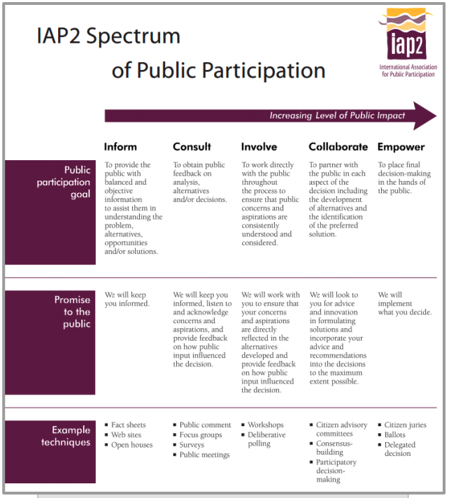
This workbook will help you figure out the best way(s) to reach your stakeholders. Some key questions to consider include: * How many public workshops are needed and appropriate? * How much time do you have to facilitate the community engagement process? * Which aspects of your community engagement plan are critical, and which are optional? * How can you ensure that the project is supporting historically and currently underrepresented community members and their involvement/communication needs?
Target Audience: Utilize the work you completed in the prior tab to identify target audiences. Make sure each the project includes targeted outreach to each group.
Channel/Engagement Tools: The following is a list of examples: * Creating a plan website that is updated regularly with plan information and meeting details; * Using online or in-person surveys to understand community needs; * Developing outreach materials like posters, brochures, and memos for distribution; * Conducting individual interviews or focus groups to better understand community needs and help create strategies; using social media channels to distribute information about the plan and public meeting details; * Printed materials and posters in community kiosks distributed at key locations in the town or city; * Community workshops; * Plan newsletters; * Creating unique and innovative ways to showcase information including ArcGIS Story Maps; * Engaging youth, older adults, and frontline community members by speaking at and soliciting support from schools, community groups, and nursing homes among others; * Seeking out and making connections with journalists and/or radio hosts from local and regional media organizations to better publicize the planning effort and process; and, * Creating formal and informal tools to solicit feedback at key stages of the process. Additional resources on effective community engagement can be found in Community Readiness and Resilience Toolkit.
Engagement Goal: This is defined by the visual on the right.
Key Messaging: Key messages are the primary points of information you want your audience to hear and understand.
Estimated Costs: How much you think this type of outreach will cost.
Number of Touch Points and Timeline: How often and when you will use these outreach methods.

Target Audiences | Channel/Engagement Tools | Engagement Goal (Inform, Consult, Involve, Collaborate, Empower) | Key Messaging | Estimated Costs | Number of Touch Points and Timeline

